COVID_Advice
OFFALY GAA
GUIDELINES ON SAFE RETURN TO GO GAMES

The Safe return to contact sports is the personal responsibility of each player and backroom member

Preparation of Facilities
Dressing Rooms, Gyms and Social areas should remain closed until further notice.
Signage
Sample signage will be provided and should be located at the following areas.
Main entrance to facility
Car Parks
Entrances to Toilets
Entrances to Pitches & Pitch Side
Hand-Gel Dispensers
Hand-Gel Dispensers will be required at the following locations.
Car Parks
Entrances to Toilets
Entrances to Pitches & Pitch Side
Pitch-Side
Signage regarding social distancing, personal contact, coughing, sneezing, spitting, hand sanitizing to be clearly visible.
Parents attedning the games and spectating from the edge of the 'Mini-Pitches' need to ensure approporaite social distancing is being observed.
Facilities for disinfecting balls, sliotars, hurleys, helmets, gloves etc. to be made available and used regularly.
Medical Isolation Room
Facilities required if a player becomes unwell and requires immediate isolation.
As dressing rooms will not be in general use, one can be put aside for this purpose
A protocol shall be in place for linking up with the appropriate medical service i.e. contact numbers for local Emergency Dept, GP or out of hours GP.

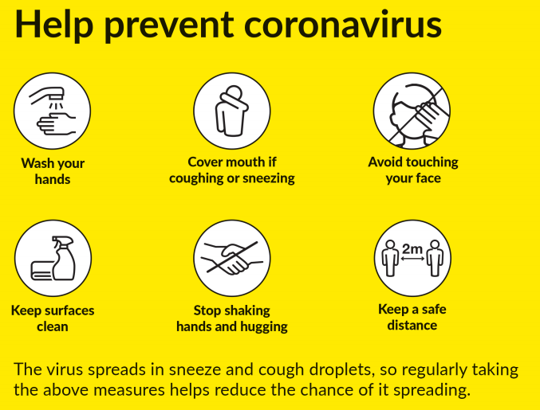

The Safe return to contact sports is the personal responsibility of each player and backroom member

RULES_Football
 Offaly GO GAMES Football Rules 2020
Rule | Under 7 | Under 9 | Under 11
Length of games | Two games of 2 x 10 minute halves | Two games of 2 x 10 minute halves | 2 x 20 minute halves
Pitch Size & Layout | 50m L X 30m W, divided into 2 zones of 25m. Length to be reduced if games smaller sided | 60m L X 40m W, divided into 2 zones of 30m. Length to be reduced if games smaller sided | 90m L X 60m W
Zonal markings | All zone boundaries to be clearly marked, with cones or something similar. |  | No Zones
Maximum No. of players & Formation | 7-a-side 1-2-2-2 | 9-a-side 1-3-2-3 | 11-a-side 1-2-2-2-2-2
Rotation of positions | All players including goalkeeper to play in different positions for each quarter |  | N/A
Scoring | Scores not to be recorded | 3 points for a point and 1 point for a goal | Normal Rules
Kick taking | Free kicks, kick-outs, sideline balls and 45s may be taken from the hand or off the ground
45s | None | To be taken from 25m, in line with where the ball went out of play | To be taken from 35m, in line with where the ball went out of play
Player taking free kick | Players who is fouled takes the kick or for technical fouls / sideline balls the players nearest the ball when the foul is committed/the ball goes out of play.
Enforcement of zones | Players designated in the forwards/backs zones may not leave the zone unless they are in possession of the ball or tracking an opponent from their zone who is in possession of the ball. Other active departures from the zone should result in a free kick from the point of breach. |  | Not Applicable
Pick up | Standard pick-up but recommended for U7's that a decent attempt be permissible | Standard Pick-Up | Standard Pick-Up
Limited possession | A player is limited to two plays e.g. one hop & one solo. 4 steps rule applies.
Shoulder Challenge | Allowed as normal rules
Commencement of Quarter / Half | Normal Throw-In in centre of Pitch
Recommencement after score | Throw-In in centre of Pitch | Goalkeeper to kick out the ball | Goalkeeper to kick out the ball
Playing equipment to be used | First Touch Football - Size 3, Gumshields/Mouthguards | Quick Touch / Smart Touch Football - Size 3, Gumshields/Mouthguards | Size 4 Footballs, Gumshields/Mouthguards
Goals | Ideally 10ft x 6ft goals but larger allowable given no difference between goals and points. Training poles to be used where required. H&S / Player welfare all moveable / mobile goal posts must be secured adequately to prevent them from blowing/falling over |  | Ideally 15ft x 7ft but different size goals allowed depending on what posts are available H&S / Player welfare all moveable / mobile goal posts must be secured adequately to prevent them from blowing/falling over
Substitutions | Subs allowed on a roll on roll off basis to ensure all players get games. Every player must play at least half a game
Streaming of Players on Ability | No streaming, where clubs have more than one team all teams fielded are to be of equal ability i.e. No strong and weak teams
Referees | Offaly Trained Go Games Referee | Offaly Trained Go Games Referee | Offaly Trained Go Games Referee

U7 F
 | U7 GO GAMES Football Fixtures 2020 *First named team in each group to host blitz and make contact with all travelling clubs

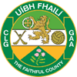
 | ROUND 1 | ROUND 2 | ROUND 3 | ROUND 4 | ROUND 5 | ROUND 6 | ROUND 7
 | 01th Aug | 15th Aug | 29th Aug | 12th Sept | 26th Sept | 10th Oct | 24th Oct
 | 12:30:00 | 12:30:00 | 12:30:00 | 12:30:00 | 12:30:00 | 12:30:00 | 12:30:00

Group 1 | St. Vincent's | Na Fianna | Rhode | Edenderry | Ballinamere/Durrow | Na Fianna | St. Vincent's
 | Na Fianna | Rhode | St. Vincent's | Shamrocks | Ferbane/Belmont | Rhode | Edenderry
 | Gracefield |  | Tullamore | St. Vincent's | Tullamore

Group 2 | Tullamore | Gracefield | Shamrocks | Ballycumber/Tubber | Clara | Edenderry | Tullamore
 | Shamrocks | Edenderry | Ferbane/Belmont | Na Fianna | Shannonbridge | Gracefield | Clara
 | Ballinamere/Durrow | St. Broughan's |  | Ballinamere/Durrow | Ballycumber/Tubber |  | St. Broughan's

Group 3 | Ballycumber/Tubber | Shamrocks | Shannonbridge | Gracefield | Shamrocks | St. Broughan's | Rhode
 | Kilcormac/Killoughey | Ballycumber/Tubber | Ballycumber/Tubber | Rhode | Kilcormac Killoughey | St. Vincent's | Ballinamere/Durrow
 |  |  | Clara | St. Broughan's |  | Shamrocks

Group 4 | Edenderry | Ballinamere/Durrow | St. Broughan's | Clara | St. Vincent's | Ballinamere/Durrow | Gracefield
 | Rhode | Clara | Na Fianna | Kilcormac Killoughey | Na Fianna | Clara | Na Fianna
 | St. Broughan's |  | Edenderry

Group 5 | Ferbane/Belmont | St. Vincent's | Kilcormac Killoughey |  | St. Broughan's | Ballycumber/Tubber | Ferbane/Belmont
 | Shannonbridge | Kilcormac Killoughey | Gracefield |  | Gracefield | Kilcormac Killoughey | Ballycumber/Tubber
 | Clara |  | Ballinamere/Durrow |  |  |  | Shamrocks

Group 6 |  |  |  |  | Rhode |  | Shannonbridge
 |  |  |  |  | Edenderry |  | DER Gaels
 |  |  |  |  |  |  | Kilcormac Killoughey

